Checker
Enter Postcode | Select DoS Environment | DoS Disposition link | DoS Lookup? | SG | SD |  |  |  | live
 | uat |  |  |  |  |  |  |  | uat
 |  | Dx011 - Emergency Ambulance Response (Red 2) | No
Hours | Minutes | Dx012 - Emergency Ambulance Response (Category 3) | Yes | 1024 | 4002 |  | Blisters | AMB meningitis
22 | 00 | Dx013 - Assistance needed at home due to inability to get off the floor | Yes | 1040 | 4093 |  | Chest or Upper Back Injury, Blunt | AMB fall, unable to get up
Date | Month | Dx016 - Non-emergency Ambulance Response | Yes | 1119 | 4007 |  | Leg Injury, Blunt | AMB fracture and/or dislocation
17 | 02 | Dx0162 - Transport to an Emergency Treatment Centre within 1 hour | Yes | 1110 | 4091 |  | Head, Facial or Neck Injury, Blunt | AMB Head injury, full ED assessment required
 |  | Dx0121 - Emergency Ambulance Response (Category 3) | Yes | 1039 | 4016 |  | Chest and Upper Back Pain | AMB aortic aneurysm, rupture/dissection
Year |  | Dx0122 - Emergency Ambulance Response (Category 3) | Yes | 1174 | 4060 |  | Vaginal Bleeding | AMB acute abdomen
2020 |  | Dx0127 - Emergency Ambulance Response, Pregnancy (Category 3) | Yes | 1105 | 4088 |  | Groin Pain or Swelling, Pregnant, Over 20 Weeks | AMB imminent birth
 |  | Dx0126 - Emergency Ambulance Response for Trauma Emergency (Category 3) | Yes | 1194 | 4229 |  | Trauma Emergency | AMB major burn
 |  | Dx02 - Attend Emergency Treatment Centre within 1 hour | Yes | 1112 | 4052 |  | Headache | ED full ED assessment and management capability
Please Note: If testing in BST, please remove 1 hour for the correct results |  | Dx03 - Attend Emergency Treatment Centre within 4 hours | Yes | 1146 | 4052 |  | Sexual Problems or Concerns | ED full ED assessment and management capability
 |  | Dx05 - To contact a Primary Care Service within 2 hours - Disposition Screen | Yes | 1112 | 4003 |  | Headache | PC full Primary Care assessment and prescribing capability
 |  | Dx05 - To contact a Primary Care Service within 2 hours - DoS results* | Yes | 1112 | 4003 |  | Headache | PC full Primary Care assessment and prescribing capability
 |  | Dx06 - To contact a Primary Care Service within 6 hours - Disposition Screen | Yes | 1152 | 4003 |  | Skin, Rash | PC full Primary Care assessment and prescribing capability
 |  | Dx06 - To contact a Primary Care Service within 6 hours - DoS results* | Yes | 1152 | 4003 |  | Skin, Rash | PC full Primary Care assessment and prescribing capability
 |  | Dx07 - To contact a Primary Care Service within 12 hours -Disposition screen | Yes | 1004 | 4003 |  | Abdominal Pain | PC full Primary Care assessment and prescribing capability
 |  | Dx07 - To contact a Primary Care Service within 12 hours - DoS results* | Yes | 1004 | 4003 |  | Abdominal Pain | PC full Primary Care assessment and prescribing capability
 |  | Dx08 - To contact a Primary Care Service within 24 hours -Disposition screen | Yes | 1112 | 4003 |  | Headache | PC full Primary Care assessment and prescribing capability
 |  | Dx08 - To contact a Primary Care Service within 24 hours - DoS results* | Yes | 1112 | 4003 |  | Headache | PC full Primary Care assessment and prescribing capability
 |  | Dx09 - For persistent or recurrent symptoms: get in touch with the GP Practice for a Non-Urgent Appointment | No
 |  | Dx10 - MUST contact own GP Practice for a Non-Urgent appointment | No
 |  | Dx11 - Speak to a Primary Care Service within 1 hour -Disposition screen | Yes | 1101 | 4071 |  | Genital Problems | PC urinary retention
 |  | Dx11 - Speak to a Primary Care Service within 1 hour - DoS results | Yes | 1101 | 4071 |  | Genital Problems | PC urinary retention
 |  | Dx118 - Attend Emergency Dental Treatment Centre within 4 hours | Yes | 1051 | 4391 |  | Dental Bleeding | ED bleeding post dental procedure
 |  | Dx12 - Speak to a Primary Care Service within 2 hours -Disposition screen | Yes | 1152 | 4003 |  | Skin, Rash | PC full Primary Care assessment and prescribing capability
 |  | Dx12 - Speak to a Primary Care Service within 2 hours - DoS results* | Yes | 1152 | 4003 |  | Skin, Rash | PC full Primary Care assessment and prescribing capability
 |  | Dx13 - Speak to a Primary Care Service within 6 hours -Disposition screen | Yes | 1112 | 4003 |  | Headache | PC full Primary Care assessment and prescribing capability
 |  | Dx13 - Speak to a Primary Care Service within 6 hours - DoS results* | Yes | 1112 | 4003 |  | Headache | PC full Primary Care assessment and prescribing capability
 |  | Dx14 - Speak to a Primary Care Service within 12 hours -Disposition screen | Yes | 1004 | 4003 |  | Abdominal Pain | PC full Primary Care assessment and prescribing capability
 |  | Dx14 - Speak to a Primary Care Service within 12 hours - DoS results* | Yes | 1004 | 4003 |  | Abdominal Pain | PC full Primary Care assessment and prescribing capability
 |  | Dx15 - Speak to a Primary Care Service within 24 hours -Disposition screen | Yes | 1112 | 4003 |  | Headache | PC full Primary Care assessment and prescribing capability
 |  | Dx15 - Speak to a Primary Care Service within 24 hours - DoS results* | Yes | 1112 | 4003 |  | Headache | PC full Primary Care assessment and prescribing capability
 |  | Dx16 - For persistent or recurrent symptoms: get in touch with the GP Practice within 3 working days | No
 |  | Dx17 - To Contact a Dental practice within 1 hour | Yes | 1168 | 4411 |  | Toothache After Dental Injury | PC dental trauma, tooth avulsion
 |  | Dx18 - To Contact a Dental practice within 2 hours | Yes | 1169 | 4047 |  | Toothache Without Dental Injury | PC full dental assessment and prescribing capability
 |  | Dx19 - To Contact a Dental practice within 6 hours | Yes | 1169 | 4047 |  | Toothache Without Dental Injury | PC full dental assessment and prescribing capability
 |  | Dx20 - To Contact a Dental practice within 12 hours | Yes | 1134 | 4392 |  | Other Dental Problems - Fillings, Crowns Bridges, Appliances etc | PC dental brace problem
 |  | Dx21 - To Contact a Dental practice within 24 hours | Yes | 1169 | 4047 |  | Toothache Without Dental Injury | PC full dental assessment and prescribing capability
 |  | Dx22 - To Contact a Dental practice within 5 working days | Yes | 1169 | 4047 |  | Toothache Without Dental Injury | PC full dental assessment and prescribing capability
 |  | Dx28 - Contact Pharmacist within 24 hours | Yes | 1073 | 4311 |  | Eye, Red or Irritable | PC extended ophthalmic assessment and management capability, minor condition (MECS)
 |  | Dx30 - Speak to Midwife within 1 hour | Yes | 1112 | 4112 |  | Headache | PC full obstetric assessment and management capability
 |  | Dx31 - Contact Genito-Urinary Clinic or other local service | Yes | 1152 | 4031 |  | Skin, Rash | PC sexually transmitted infection
 |  | Dx32 - Speak to a Clinician from our service Immediately | Yes | 1206 | 4193 | This combination will currently return an error until there is a service added for this combination | NHS Pathways In House Clinician | PC general health information
 |  | Dx325 - Speak to a Clinician from our service Immediately - Toxic Ingestion/Inhalation | Yes | 1206 | 4193 | This combination will currently return an error until there is a service added for this combination | NHS Pathways In House Clinician | PC general health information
 |  | Dx327 - Speak to a Clinician from our service Immediately - Chemical Eye Splash | Yes | 1206 | 4193 | This combination will currently return an error until there is a service added for this combination | NHS Pathways In House Clinician | PC general health information
 |  | Dx329 - Speak to a Clinician from our service Immediately - Failed Contraception | Yes | 1206 | 4193 | This combination will currently return an error until there is a service added for this combination | NHS Pathways In House Clinician | PC general health information
 |  | DX330 - Speak to a Clinician from our service Immediately - Burns, chemical | Yes | 1206 | 4193 | This combination will currently return an error until there is a service added for this combination | NHS Pathways In House Clinician | PC general health information
 |  | Dx34 - Speak to Clinician from our service within 30 minutes | Yes | 1206 | 4193 | This combination will currently return an error until there is a service added for this combination | NHS Pathways In House Clinician | PC general health information
 |  | Dx35 - Speak to Clinician from our service within 2 hours | Yes | 1206 | 4193 | This combination will currently return an error until there is a service added for this combination | NHS Pathways In House Clinician | PC general health information
 |  | Dx38 - Speak to Clinician from our service for home management advice | No
 |  | Dx39 - Symptom Management Advice | No
 |  | Dx49 - 999 for police | No
 |  | Dx50 - Speak to Midwife or Labour Suite immediately | Yes | 1056 | 4112 |  | Diarrhoea or Vomiting, Pregnant, Over 20 Weeks | PC full obstetric assessment and management capability
 |  | Dx60 - Contact Optician next routine appointment within 72 hours (3 days from now) | Yes |  |  |  | Eye, Visual Loss or Disturbance | PC assessment and management capability, minor condition
 |  | Dx75 - MUST contact own GP Practice within 3 working days | Yes
 |  | Dx89 - Attend Emergency Treatment Centre within 12 hours | Yes | 1092 | 4052 |  | Foreign Body, Ingested or Inhaled | ED full ED assessment and management capability
 |  | Dx92 - Refer to Mental Health/Crisis Service within 4 hours | Yes | 1186 | 4208 |  | Worsening known Mental health problem | ED mania/hypomania
 |  | Dx94 - Attend Emergency Treatment Centre within 1 hour for Sexual Assault Assessment | Yes | 1146 | 4010 |  | Sexual Problems or Concerns | ALL assault, sexual
 | New to online
 | Recommended Service | Dx80 - Repeat prescription required within 6 hours | Yes | 1192 | 4413 |  | Repeat Prescription | PC repeat prescription
 |  | Dx85 - Repeat prescription required within 2 hours | Yes | 1192 | 4413 |  | Repeat Prescription | PC repeat prescription
 |  | Dx86 - Repeat prescription required within 12 hours | Yes | 1192 | 4413 |  | Repeat Prescription | PC repeat prescription
 |  | Dx87 - Repeat prescription required within 24 hours | Yes | 1192 | 4413 |  | Repeat Prescription | PC repeat prescription
 | Other Services | Dx80 - Repeat prescription required within 6 hours | Yes | 1192 | 4413 |  | Repeat Prescription | PC repeat prescription
 |  | Dx85 - Repeat prescription required within 2 hours | Yes | 1192 | 4413 |  | Repeat Prescription | PC repeat prescription
 |  | Dx86 - Repeat prescription required within 12 hours | Yes | 1192 | 4413 |  | Repeat Prescription | PC repeat prescription
 |  | Dx87 - Repeat prescription required within 24 hours | Yes | 1192 | 4413 |  | Repeat Prescription | PC repeat prescription

 | Alternative scanarios | Dx28 - Contact Pharmacist within 24 hours | Yes | 1130 | 4020 |  | Nasal Congestion | PC assessment and management capability, minor condition

 | * | Where this screen is seen on a Dx05-08 and 11-15, it means there are no DoS results. Please note, this will NOT be seen by live users, only an issue with the direct links used here.
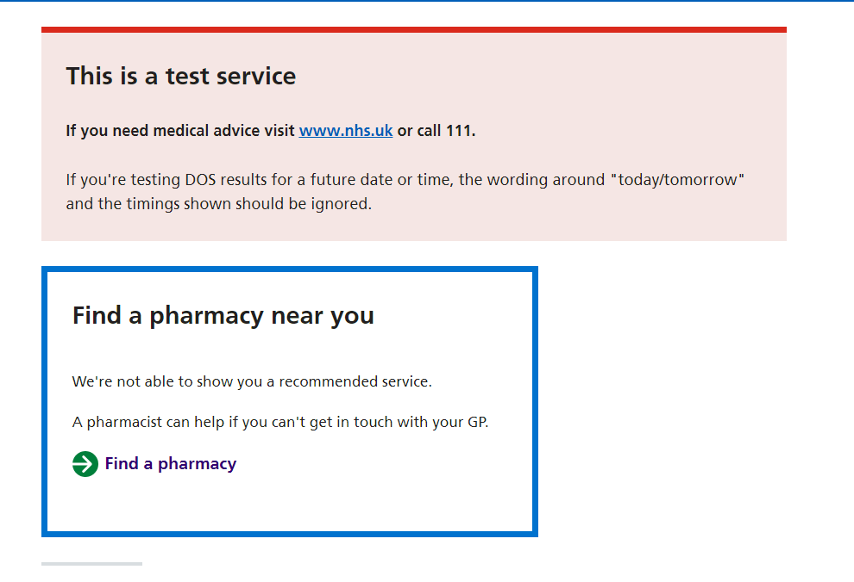

&dossearchdatetime=
2019 | 01
2020 | 02
2021 | 03
2022 | 04
 | 05 | 01 | 00 | 00
 | 06 | 02 | 01 | 05
 | 07 | 03 | 02 | 10
 | 08 | 04 | 03 | 15
 | 09 | 05 | 04 | 20
 | 10 | 06 | 05 | 25
 | 11 | 07 | 06 | 30
 | 12 | 08 | 07 | 35
 | 13 | 09 | 08 | 40
 | 14 | 10 | 09 | 45
 | 15 | 11 | 10 | 50
 | 16 | 12 | 11 | 55
 | 17 |  | 12 | 59
 | 18 |  | 13
 | 19 |  | 14
 | 20 |  | 15
 | 21 |  | 16
 | 22 |  | 17
 | 23 |  | 18
 | 24 |  | 19
 | 25 |  | 20
 | 26 |  | 21
 | 27 |  | 22
 | 28 |  | 23
 | 29
 | 30
 | 31

&dossearchdatetime=2020-02-17%2022:00

